DID Combined
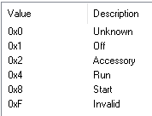
DID | Origin | Type | Size(Byte) | Name | 0x01 | 0x02 | 0x03 | 0x60 | Comment
0x1505 | AHU | UN | 2 | Vehicle Speed - High Resolution | R |  | R |  | 从CAN读取(CAN信号Timeout时保持之前的旧值或者初始值) | ok
0x411F | AHU | SED | 1 | Key Position | R |  | R |  | 从CAN读取(0x3B2 BodyInfo_HS3) | ok
0xC006 | AHU | UN | 2 | VIN Missing counter | R |  | R |  | VIN丢失的计数（一个Sleep周期内） | ok
0xD100 | AHU | SED | 1 | Active Diagnostic Session | R | R | R | R | 当前Active Diagnostic Session | ok
0xD111 | AHU | UN | 1 | ECU Power Supply Voltage | R |  | R | R | 输入电压 | ok
0xF15F | AHU | PKT | 10 | NOS Generation Tool Version Number | R |  | R |  | 工具版本（第一个byte固定填08，第二byte起ASCII填入 22.07.22，Autosar CBD版本） | ok
0xF162 | AHU | SED | 1 | Software Download Specification Version |  | R |  |  | 固定为“0x06” | ok
0xF163 | AHU | SED | 1 | Diagnostic Specification Version | R |  | R |  | 固定为“0x04” | ok
0xF166 | AHU | PKT | 4 | NOS Message Database #1 Version Number | R |  | R |  | HS3 dbc 版本号 dbc已包含 | ok
0xF190 | AHU | ASC | 24 | Vehicle Identification Number | R |  | R |  | 从CAN读取VIN码，需要自己去除18bytes ASSICC | ok
0xF40C | AHU | UN | 2 | Engine RPM | R |  | R |  | 从CAN读取，信号“EngAout_N_Actl” | ok
0xF411 | AHU | UN | 1 | Absolute Throttle Position | R |  | R |  | 从CAN读取,节气门位置(0x204 ApedPos_Pc_ActlArb) | ok
0xFD06 | AHU | HEX | 1 | EOL status of Desay supplier production line | R |  | R | RW | 用于指示Desay产线出厂状态（0x00 EOL ON; 0x01 EOL OFF）
0x0202 | AHU | UN | 1 | Number of Trouble Codes Set due to Diagnostic Test | R |  | R |  | RID0202自检过程中出现的DTC个数
0x419E | Sync | SED | 1 | Embedded Consumer Application Download Status | R |  | R | R | OTA包的安装状态 | T-ok
0x8047 | Sync | UN | 1 | Bezel Diagnostics Status | R |  | RC | RC | 读取/控制进入工程模式，HMI控制示意图请参考右侧附件。
0x804A | Sync | SED | 1 | APIM Internal Fault | R |  | R | R | 读取ROM/RAM/EEPROM/IPC状态
0x804B | Sync | BM | 4 | ECU CCPU Fault | R |  | R | R | 读取SOC模块是否出现错误，比如BT，USB，Flash，Wifi是否出错 | T-ok
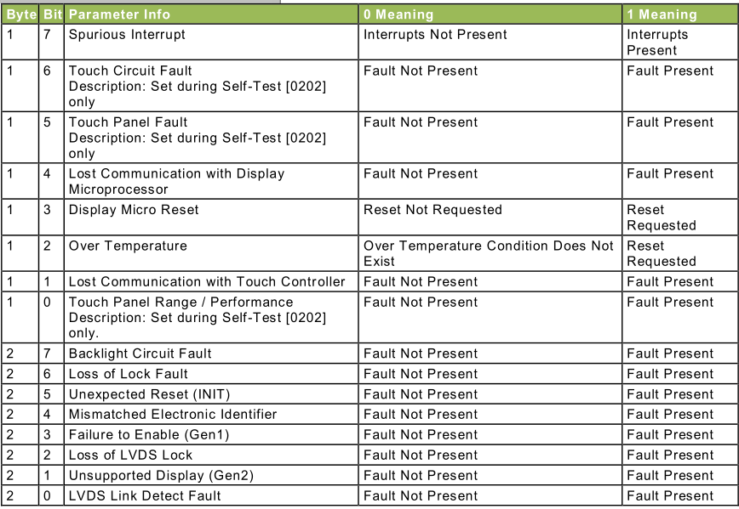
0xFD1A | Sync | BM | 3 | Display Parameters | R |  | R | R | 用于display errors判定，置DTC。通过LVDS获取；屏幕是Ford供应商提供 | T-ok
0xF1D0 | Sync | HEX | 6 | ECU MAC Address 1 | R |  | R | R | BT MAC 地址 | T-ok
0xF1D1 | Sync | HEX | 6 | ECU MAC Address 2 | R |  | R | R | Wifi MAC 地址 | T-ok
0xF1E1 | Sync | HEX | 6 | ECU MAC Address 3 | R |  | R | R | Ethernet MAC 地址 | T-ok
0x61A1 | AHU | UN | 1 | Channel Frequency | R |  | RC |  | 现在/last source FM的频率 | T-ok
0x8321 | AHU | UN | 2 | Antenna Current 1 | R |  | R |  | 天线1电流 | T-ok
0x8304 | AHU | UN | 1 | Radio Frequency Field Strength | R |  | R |  | 收音机信号强度 | T-ok
0xEE21 | AHU | UN | 1 | AM Seek/Stop Sensitivity | R |  | RC |  | AM锁台灵敏度(FIN确认先使用offset=-31,[0,62]) | T-ok
0xEE22 | AHU | UN | 1 | FM Seek/Stop Sensitivity | R |  | RC |  | FM锁台灵敏度(FIN确认先使用offset=-31,[0,62]) | T-ok
0xFD20 | AHU | HEX | 1 | Averaged Signal Strength Measured in AM/FM Antenna Test | R |  | R |  | Range 0 to 255, Units dBuV, Size 1 Byte, Resolution 1 – Value is 0dBuV if test has never been ran. Value is stored until battery has been pulled or test overwrites with new value. 信号强度是从routine里面获得的. | T-ok
0x8003 | AHU | BM | 4 | Speaker Status | R |  | RC |  | 用于mute/unmute已配置的喇叭
0xFD03 | AHU | HEX | 1 | Normal Speaker Walkaround Volume | R |  | RW |  | 测试喇叭音量值-Refer to RoutineID 0x6009，音量值使用step
0x8055 | AHU | UN | 2 | Automobile Audio Bus (A2B) Master Error Counter | R |  | R
0x833B | AHU | UN | 1 | Audio Volume Level | R |  | RC |  | 获取娱乐音源（tuner、USB、BT）的音量，直接回复实际音量
0x7215 | AHU | SED | 1 | ECU Status | R |  | RC | RC | 控制Audio是否使用CAN signal HMIAudioMode
0xEE00 | AHU | PKT | 3 | ANC/ESE Error Status | R |  | R |  | ESE Error Status follow ESE SPSS
0xEE01 | AHU | PKT | 6 | ESE Last Received Data | R |  | R |  | follow ESE SPSS
0xEE02 | AHU | PKT | 53 | ANC and/or ESE Profile Data | R |  | RW* |  | ESE Profile Data follow ESE SPSS
0xEE03 | AHU | SED | 1 | ESE Activation Status | R |  | RW* |  | follow ESE SPSS
0x8004 | Sync | ASC | 128 | Supported Bluetooth Profiles | R |  | R | R | Desay自定义HTP,A2DP……格式 | T-ok
0x8023 | Sync | ASC | 128 | Active Bluetooth Profiles | R |  | R | R | 当前Active Bluetooth Profiles，Desay自定义格式 | T-ok
0x8024 | Sync | SED | 1 | Bluetooth Status | R |  | R | R | 当前BT状态 | T-ok
0xFD1C | AHU | HEX | 1 | Digital RVC Power Control | R |  | R | R | 用于指示数字RVC是否使能Power Control | T-ok
0xFD1B | AHU | HEX | 1 | RVC Digital Faults | R |  | R | R | 用于指示数字RVC故障的类型 | T-ok
0xD021 | TCU | SED | 1 | Authorization State: Ford cloud | R |  | R |  | 参考右侧截图 | T-ok
0xD022 | TCU | PKT | 1 | Authorization State: Baidu cloud | R |  | R |  | 参考“baidu Auth” sheet（ID后续可能会改）MDX检查冲突 | cdd与GDX冲突
0xFD12 | Sync | ASC | 50 | Firmware Version | R |  | R | R | periheriial provisioning required（具体含义） | T-ok
0xFD15 | Sync | ASC | 50 | Firmware Version 2 | R |  | R | R | periheriial provisioning required（具体含义） | T-ok
0xFD26 | Sync | ASC | 17 | Wi-Fi Mac Address | R |  | R | R | periheriial provisioning required (0xF1D1 也有定义wifi MAC地址? FIN待澄清)
0xEEE2 | Sync | PKT | 64 | Token Removal Reason | R |  | R | R | 具体参数内容请参考右侧附件(FIN确认使用64bytes格式)（确认具体模块及含义） | T-ok
0xEEFE | Sync | ASC | 24 | APIM VMCU Recover Partition Image | R |  | R | R | periheriial provisioning required（确认具体模块及含义） | T-ok
0xEEFF | Sync | ASC | 24 | APIM CCPU Recover Partition Image | R |  | R | R | Retrieve APIM CCPU Recover Partition Image from CCPU.（确认具体模块及含义） Note: Since communication with the CCPU is required to obtain the response, this DID should not be part of a multi-PID (Service $22) request. If communication is not possible (see DID 804A "APIM Internal Fault" to verify that the IPC link is up) or if the IPC request to the CCPU does not indicate success, the VMCU will return Negative-Response-Code $22 (Conditions-Not-Correct). | T-ok
0xD03D | Sync | ASC | 40 | Security Package ID | R |  | R | R | periheriial provisioning required
0xFD21 | AHU | ASC | 2048 | Baidu security certificate1 | R |  |  | RW | 百度安全证书
0xFD22 | AHU | ASC | 2048 | Baidu security certificate2 | R |  |  | RW | 百度安全证书
0xFD23 | AHU | ASC | 2048 | Baidu security certificate3 | R |  |  | RW | 百度安全证书
0xFD24 | AHU | ASC | 2048 | Baidu security certificate4 | R |  |  | RW | 百度安全证书
0xFD01 | Sync | ASC | 10 | VMCU Software Version | R |  | R | R | 内部版本号，内部的MCU软件版本，自己定义即可。 | T-ok
0xFD02 | AHU | ASC | 10 | Supplier ECU AHU Hardware Number | R |  |  | R | 内部版本号，内部的MCU硬件版本，自己定义即可。 | T-ok
0xFD04 | AHU | ASC | 24 | Supplier CCPU AHU Software Number | R |  |  | R | 内部版本号，Soc软件版本。 | T-ok
0xFD05 | AHU | ASC | 10 | Supplier ECU Display Software Number | R |  |  | R | 内部版本号，显示屏软件版本。（FIN确认直接从Display获取，不需要自己定义） | T-ok
0xFD10 | Sync | HEX | 406 | Config Bits code condition | R |  |  | R | 用于识别ConfigBit配置值是否正常 | Nok
0xF111 | AHU | ASC | 24 | ECU Core Assembly Number | R | R | R |  | HW PN, 硬件PN, 产线生产时写入 | T-ok
0xF113 | AHU | ASC | 24 | ECU Delivery Assembly Number | R | R | R |  | Assemly PN, 整机PN, 产线生产时写入 | T-ok
0xF188 | AHU | ASC | 24 | Vehicle Manufacturer ECU Software Number | R |  | R |  | VMCU软件PN | ok
0x8033 | Sync | ASC | 24 | Embedded Consumer Operating System Part Number | R |  | R | R | SOC软件零件号 | T-ok
0x8068 | Sync | ASC | 24 | Embedded Consumer Boot System Part Number | R |  | R | R | SOC boot软件零件号，如果boot和软件做成一个就用上面的零件号（gaowei确认做成了一个） | T-ok
0xF10A | AHU | ASC | 24 | ECU Cal-Config Part Number | R |  | R |  | Acoustic（EQ） Tuning PN，标定文件PN
0xF16B | AHU | ASC | 24 | ECU Cal-Config #2 Part Number | R |  | R |  | Illumination PN，灯光标定PN
0xF16C | AHU | ASC | 24 | ECU Cal-Config #3 Part Number | R |  | R |  | Sound Enhancement (ESE) PN， ANC/ESE PN
0xF110 | AHU | ASC | 24 | Subsystem Specific Diagnostic Specification Part Number | R |  | R |  | Part II PN,诊断Spec PN(DSMB6T-18D668-AA) | ok
0xD027 | AHU | ASC | 24 | Embedded Consumer Boot Software Part Number 2 | R |  | R |  | VMCU软件PN，暂定与F188值一致
0xF180 | AHU | PKT | 25 | Boot Software Identification | R | R | R |  | Primary Bootloader PN，MCU FBL PN。 FIN确认"1+24"需要多1个字节区分“number of modules ”,number取1即可。(FIN给的PN表格F180的值都是一样的)
0xF17F | Sync | ASC | 8 | Ford Electronic Serial Number | R |  | R | R | FNV2 IVI ESN，Ford指定的序列号；应该指的就是标签种的“ESN”
0x8060 | Sync | PKT | 384 | Embedded Consumer Applications Part Numbers 1 | R |  | R | R | 每24Byte写一个子软件对应的PN，（ASCII，未写满用0x00填充） Baidu PN(0x8033)写在第1个+地图包(0x8060)写在第二个+如果有Adas地图(0x8060)包写第三个。FIN确认现在只做这3个。(gdx文件会报错)
0xF18C | AHU | ASC | 8 | ECU Serial Number | R |  | R | R | 由重庆工厂定义格式，序列号，F18C和F17F看成是同样的内容。
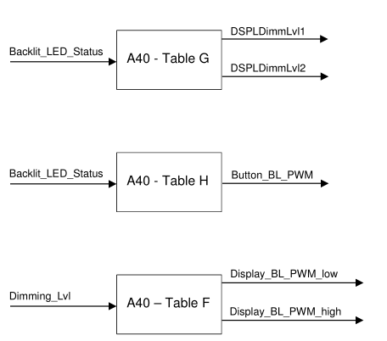
0xFDE0 | Sync | UN | 2 | CCP_Low_PWM_SDM12L | R |  | R | RC* | DID_Low_PWM_DisplayBL
0xFDE1 | Sync | UN | 2 | CCP_High_PWM_SDM12L | R |  | R | RC* | DID_High_PWM_DisplayBL
0xFDDF | Sync | PKT | 216 | CCPU Weight Factor Display SDM12L | R |  | R | RC* | DID_WeightFactorDP
0xFDB8 | Sync | UN | 2 | CCP_Low_PWM_SDM13 | R |  | R | RC*
0xFDB9 | Sync | UN | 2 | CCP_High_PWM_SDM13 | R |  | R | RC*
0xFDBD | Sync | PKT | 216 | CCPU Weight Factor SDM13 | R |  | R | RC*
0xFDEB | Sync | UN | 2 | CCP_Low_PWM_SDM15_5 | R |  | R | RC*
0xFDEC | Sync | UN | 2 | CCP_High_PWM_SDM15_5 | R |  | R | RC*
0xFDEA | Sync | PKT | 216 | CCPU Weight Factor Display SDM15_5 | R |  | R | RC*
0xFDC9 | Sync | UN | 2 | CCP_Low_PWM_SDM27 | R |  | R | RC*
0xFDCA | Sync | UN | 2 | CCP_High_PWM_SDM27 | R |  | R | RC*
0xFDC8 | Sync | PKT | 216 | CCPU Weight Factor SDM27 | R |  | R | RC*
0xFDB0 | Sync | HEX | 1 | VMCU_Low_PWM_RotaryBL | R |  | R | RC* | DID_Low_PWM_RotoryBL
0xFDB1 | Sync | HEX | 1 | VMCU_High_PWM_RotaryBL | R |  | R | RC* | DID_High_PWM_RotoryBL
0xFDBA | Sync | HEX | 1 | CCP_Low_PWM_DisplayButtonBL | R |  | R | RC* | DID_Low_PWM_DisplayButtonBL
0xFDBB | Sync | HEX | 1 | CCP_High_PWM_DisplayButtonBL | R |  | R | RC* | DID_High_PWM_DisplayButtonBL
0xFDBE | Sync | PKT | 144 | CCPU Weight Factor Backlight | R |  | R | RC* | DID_WeightFactorBL
0xFDC1 | Sync | UN | 1 | CCP_TransTime_Usr | R |  | R | RC* | 默认值为0x00
0xFDC2 | Sync | UN | 1 | CCP_TransTime_Amb_Up | R |  | R | RC* | 默认值为0x05
0xFDC3 | Sync | UN | 1 | CCP_TransTime_Amb_Down | R |  | R | RC* | 默认值为0x09
0xFDC4 | Sync | UN | 1 | CCP_TransTime_OnOff | R |  | R | RC* | 默认值为0x00

注意： | R：指的是读取(Read)；
 | RW：指的是可读可写；
 | RC：指的是Read Control(诊断2Fhex服务)，注意不是Routine control!
 | * = The functionality indicated by the preceding letter is locked by security access. Security已经在vector代码包包含了。

 | UN： | 单位
 | PKT：
 | HEX： | 十六进制
 | ASC： | ASSICC
 | SED： | 十进制
 | BM： | bitmapped

DTC Matrix
 |  | DTC(Hex) | TextID | Error Text | Failure Type | Extend DTC Description | DTC Type | Pass / Fail Criteria | Action Taken By ECU in Response To Fault | Fault Symptom Recognized by Vehicle Occupants | Extended Data Record used for Aging Counter | Counter Value when Aged | Special Considerations | Extended Data Records Supported | Reported via Control Routines | Control Routine 0x0202 DTC Pass / Fail Criteria | Notes
 |  | 0xF00316 | U3003-16 | Battery Voltage | Circuit Voltage Below Threshold |  | CD
 |  | 0xF00317 | U3003-17 | Battery Voltage | Circuit Voltage Above Threshold |  | CD
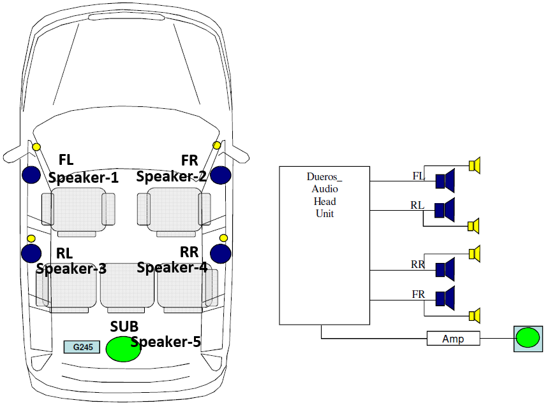
 |  | 0x9A0111 | B1A01-11 | Speaker #1 | Circuit Short To Ground | Speaker FrontRight | CD
 |  | 0x9A0112 | B1A01-12 | Speaker #1 | Circuit Short To Battery | Speaker FrontRight | CD
 |  | 0x9A0113 | B1A01-13 | Speaker #1 | Circuit Open | Speaker FrontRight | D
 |  | 0x9A0101 | B1A01-01 | Speaker #1 | Circuit short | Speaker FrontRight | D
 |  | 0x9A0211 | B1A02-11 | Speaker #2 | Circuit Short To Ground | Speaker FrontLeft | CD
 |  | 0x9A0212 | B1A02-12 | Speaker #2 | Circuit Short To Battery | Speaker FrontLeft | CD
 |  | 0x9A0213 | B1A02-13 | Speaker #2 | Circuit Open | Speaker FrontLeft | D
 |  | 0x9A0201 | B1A02-01 | Speaker #2 | Circuit short | Speaker FrontLeft | D
 |  | 0x9A0311 | B1A03-11 | Speaker #3 | Circuit Short To Ground | Speaker RearRight | CD
 |  | 0x9A0312 | B1A03-12 | Speaker #3 | Circuit Short To Battery | Speaker RearRight | CD
 |  | 0x9A0313 | B1A03-13 | Speaker #3 | Circuit Open | Speaker RearRight | D
 |  | 0x9A0301 | B1A03-01 | Speaker #3 | Circuit short | Speaker RearRight | D
 |  | 0x9A0411 | B1A04-11 | Speaker #4 | Circuit Short To Ground | Speaker RearLeft | CD
 |  | 0x9A0412 | B1A04-12 | Speaker #4 | Circuit Short To Battery | Speaker RearLeft | CD
 |  | 0x9A0413 | B1A04-13 | Speaker #4 | Circuit Open | Speaker RearLeft | D
 |  | 0x9A0401 | B1A04-01 | Speaker #4 | Circuit short | Speaker RearLeft | D
 |  | 0x9A0713 | B1A07-13 | Speaker #7 | Circuit Open | LF Tweeter | D
 |  | 0x9A0813 | B1A08-13 | Speaker #8 | Circuit Open | RF Tweeter | D
 |  | 0x9A0913 | B1A09-13 | Speaker #9 | Circuit Open | RR Tweeter | D
 |  | 0x9A1013 | B1A10-13 | Speaker #10 | Circuit Open | LR Tweeter | D
 |  | 0x951111 | B1511-11 | Automobile Audio Bus (A2B) Master Node | Circuit Short To Ground | A2B Bus Short Across | C
 |  | 0x951112 | B1511-12 | Automobile Audio Bus (A2B) Master Node | Circuit Short To Battery |  | C
 |  | 0x951113 | B1511-13 | Automobile Audio Bus (A2B) Master Node | Circuit Open |  | CD
 |  | 0x951101 | B1511-01 | Automobile Audio Bus (A2B) Master Node | Circuit short |  | CD
 |  | 0xE01B54 | U201B-54 | Lost Communication Between Fuel Pump Control Module "A" and Restraints Control Module | ESE/ANC is missing configuration file or file is corrupted. | Control Module Calibration Data #2 | C
 |  | 0xE01B57 | U201B-57 | Lost Communication Between Fuel Pump Control Module "A" and Restraints Control Module | The installed ESE/ANC configuration is not compatible with config | Control Module Calibration Data #2 | C
 |  | 0xE01B04 | U201B-04 | Lost Communication Between Fuel Pump Control Module "A" and Restraints Control Module | Internal fault detected which prevents initializing ESE/ANC | Control Module Calibration Data #2 | C
 |  | 0x9D7911 | B1D79-11 | Microphone Input | Circuit Short To Ground | Microphone1 Input | D |  |  |  |  |  |  |  |  |  |  | Mic-Driver：主驾驶位麦克风，用于接收声音和语音通话；
 |  | 0x9D7915 | B1D79-15 | Microphone Input | Circuit Short To Battery or Open | Microphone1 Input | D |  |  |  |  |  |  |  |  |  |  | Mic-Passenger：副驾驶位麦克风，用于接收声音；
 |  | 0x940011 | B1400-11 | Microphone 4 | Circuit Short To Ground | Microphone2 Input | D |  |  |  |  |  |  |  |  |  |  | Mic-ANC：顺序分别位1，2，3，安装在发动机附件，主要用于降噪；
 |  | 0x940015 | B1400-15 | Microphone 4 | Circuit Short To Battery or Open | Microphone2 Input | D |  |  |  |  |  |  |  |  |  |  | 确认5个MIC与DTC number的对应关系！
 |  | 0x916A01 | B116A-01 | Backup Microphone | Circuit Short To Ground | ANC Microphone 1 | CD
 |  | 0x916A15 | B116A-15 | Backup Microphone | Circuit Short To Battery or Open | ANC Microphone 1 | CD
 |  | 0x917A01 | B117A-01 | ANC Microphone 2 | Circuit Short To Ground | ANC Microphone 2 | CD
 |  | 0x917A15 | B117A-15 | ANC Microphone 2 | Circuit Short To Battery or Open | ANC Microphone 2 | CD
 |  | 0x93F501 | B13F5-01 | Microphone 3 | Circuit Short To Ground | ANC Microphone 3 | CD
 |  | 0x93F515 | B13F5-15 | Microphone 3 | Circuit Short To Battery or Open | ANC Microphone 3 | CD
 |  | 0x92BD12 | B12BD-12 | Rear Camera | Circuit Short to Battery | Rear camera Video Signal | CD
 |  | 0x92BD02 | B12BD-02 | Rear Camera | General Signal Failure | Rear camera Video Signal | CD
 |  | 0x500101 | C1001-01 | Vision System Camera | General Electrical Failure | HD RVC Camera | CD |  |  |  |  |  |  |  |  |  | HD Camera
 |  | 0x500102 | C1001-02 | Vision System Camera | General Signal Failure | HD RVC Camera | C |  |  |  |  |  |  |  |  |  | HD Camera
 |  | 0x50011C | C1001-1C | Vision System Camera | Circuit Voltage Out of Range | HD RVC Camera | C |  |  |  |  |  |  |  |  |  | HD Camera
 |  | 0x50014B | C1001-4B | Vision System Camera | Over Temperature | HD RVC Camera | C |  |  |  |  |  |  |  |  |  | HD Camera
 |  | 0x500155 | C1001-55 | Vision System Camera | Not Configured | HD RVC Camera | C |  |  |  |  |  |  |  |  |  | HD Camera
 |  | 0x500181 | C1001-81 | Vision System Camera | Invalid Serial Data Received | HD RVC Camera | C |  |  |  |  |  |  |  |  |  | HD Camera
 |  | 0x500187 | C1001-87 | Vision System Camera | Missing Message | HD RVC Camera | CD |  |  |  |  |  |  |  |  |  | HD Camera
 |  | ? | ????-01 | Face recognition Camera | General Electrical Failure |  | C
 |  | 0x915D13 | B115D-13 | Face recognition Camera Power/LED connector disconnected | Circuit Open |  | C
 |  | ? | ????-11 | Face recognition Camera | short to ground |  | CD
 |  | ? | ????-19 | Face recognition Camera | Circuit Current Above Threshold |  | C
 |  | 0x915D09 | B115D-09 | Face recognition Camera LED malfunction（include partial failure） | Component Failure |  | C
 |  | ? | ????-4B | Face recognition CameraOver Temperature | Over Temperature |  | C
 |  | ? | ????- | Face recognition Camera internal error | Over Temperature |  | C
 |  | 0xC56500 | U0565-00 | Face recognition Camera Lost communication with CRM-DSMC | No Sub Type Information |  | C
 |  | 0x958921 | B1589-21 | Antenna #3 | Signal Amplitude < Minimum | FM1/AM Antenna | D
 |  | 0x958911 | B1589-11 | Antenna #3 | Circuit Short To Ground | FM1/AM Antenna | C
 |  | 0x958912 | B1589-12 | Antenna #3 | Circuit Short To Battery | FM1/AM Antenna | D
 |  | 0x958913 | B1589-13 | Antenna #3 | Circuit Open | FM1/AM Antenna | C
 |  | 0x958919 | B1589-19 | Antenna #3 | Circuit Current above threshold | FM1/AM Antenna | C
 |  | 0x919F11 | B119F-11 | GPS antenna | Circuit Short To Ground |  | C
 |  | 0x919F15 | B119F-15 | GPS antenna | Circuit Short To Battery or Open |  | C
 |  | 0x919F19 | B119F-19 | GPS antenna | Circuit Current above threshold |  | C
 |  |  | ????-11 | Display | Circuit Short To Ground |  | C | 待FIN确认DTC Number | GMSL |  |  |  |  |  |  |  | FPDLINK
 |  |  | ????-13 | Display | Circuit Open |  | C | 待FIN确认DTC Number |  |  |  |  |  |  |  |  | FPDLINK
 |  | 0x908E87 | B108E-87 | Display | Missing Message | Lost Display Communication With LCD Panel Module via FPDLINK | C |  |  |  |  |  |  |  |  |  | FPDLINK
Ford考虑增加一个GMSL的通信丢失DTC |  | 0x908E02 | B108E-02 | Display | General Signal Failure | General Signal Failure | C |  |  |  |  |  |  |  |  |  | FPDLINK
 |  | 0x908E4A | B108E-4A | Display | Incorrect Component Installed | Incorrect Component Installed | C |  |  |  |  |  |  |  |  |  | FPDLINK, 尺寸不匹配（主屏幕）
待Display供应商确认 |  | 0x908E4B | B108E-4B | Display | Over Temperature | Over Temperature | C |  |  |  |  |  |  |  |  |  | FPDLINK
参考旧项目，支持 |  | 0x94FD11 | B14FD-11 | External Media Control Connectivity | Circuit Short To Ground |  | D | USB供电：有做保护，识别到短地或过流会关闭USB
 |  | 0x94FD12 | B14FD-12 | External Media Control Connectivity | Circuit Short To Battery |  | C | USB供电
OK，与短地类似 |  | 0x94FD17 | B14FD-17 | External Media Control Connectivity | Circuit Current above threshold |  | D | USB供电
 |  | 0x925201 | B1252-01 | USB Port | General Electrical Failure | USB1 port Lost Communication Error | C | USB通信
 |  | 0xE10000 | U2100-00 | Initial Configuration Not Complete | No Sub Type Information |  | CD |  |  |  |  |  |  |  |  |  | 根据DEOO参数Vehicle Nameplate ID或Connectivity为0x00，则激活DTC
 |  | 0xE10100 | U2101-00 | Control Module Configuration Incompatible | No Sub Type Information |  | CD | 先等ConfigBit梳理完，再看这个DTC
 |  | 0x908701 | B1087-01 | LIN Bus "A" | General Electrical Failure | Lost Communication With ICP(LIN) | CD |  |  |  |  |  |  |  |  |  | LIN通信丢失
 |  | 0xF00043 | U3000-43 | Control Module | Special Memory Failure |  | C | 以太网错误，指的是SOC kemgr存储块没有读取到key的情况下报错。需要结合provising需求理解一下。 |  |  |  |  |  |  |  |  | Set when keymgr is unable to read a key from encrypted storage on the /dps partition. SOC从加密区读取不到KEY
 |  | 0xF00088 | U3000-88 | Control Module | Bus off |  | C
 |  | 0xF00004 | U3000-04 | Control Module | System Internal Failure |  | C |  |  |  |  |  |  |  |  |  | 参考DID 804A与804B
惯导内部故障或通信丢失 |  | 0xF00009 | U3000-09 | Control Module | Component Failure |  | C | Desay已确认不支持磁力计，FIN确认需要支持该DTC。
 |  | 0xF00041 | U3000-41 | Control Module | General Checksum Failure |  | CD | ROM/FLASH/EEPROM写不成功或读出来计算的checksum错误
 |  | 0x956D54 | B156D-54 | TCU Customer Connectivity Settings Synchronization With HMI | Missing Calibration |  | C
 |  | 0x956D89 | B156D-89 | TCU Customer Connectivity Settings Synchronization With HMI | Data Transfer Failure |  | C
 |  | 0xE40081 | U2400-81 | Ethernet Failure With Gateway Module A (GWM) | Invalid Serial Data Received |  | C
 |  | 0xE40092 | U2400-92 | Ethernet Failure With Gateway Module A (GWM) | Performance or Incorrect Operation |  | C
 | 0x225正常 | 0xC15500 | U0155-00 | Lost Communication With Instrument Panel Cluster (IPC) Control Module | No Sub Type Information |  | C | 对应的msg参考之前的FIN spec
FIN待确认，可能不需要 | 0x28B周期是0 | 0xC19800 | U0198-00 | Lost Communication With Telematic Control Module "A" | No Sub Type Information |  | C
根据WACM配置判断 | 0x3F6正常 | 0xC20C00 | U020C-00 | Lost Communication with Wireless Accessory Charging Module "A" | No Sub Type Information |  | C
根据配置判断 | 0x3A6周期为0 | 0xC23200 | U0232-00 | Lost Communication With Side Obstacle Detection Control Module "A" | No Sub Type Information |  | C
根据配置判断 | 0x3A7周期为0 | 0xC23300 | U0233-00 | Lost Communication With Side Obstacle Detection Control Module "B" | No Sub Type Information |  | C
360 TVM, 通过CAN判断 | 0x3EE周期为0 | 0xC23B00 | U023B-00 | Lost Communication With Image Processing Module B | No Sub Type Information |  | C
主驾电动调节座椅 | 0x274正常,"MC Seat"已经定义到DE01 | 0xC20900 | U0209-00 | Lost Communication With "Seat Control Module B" | No Sub Type Information |  | C |  |  |  |  |  |  |  |  |  | 274
防碰撞系统 | 0x44E只要没收到报文就置DTC，周期为0也可以 | 0xC12155 | U0121-55 | Lost Communication With Anti-Lock Brake System (ABS) Control Module "A" | Not Configured |  | C
方向盘线控，通过CAN判断 | 0x2A1周期为0 | 0xC21200 | U0212-00 | Lost Communication With Steering Column Control Module | No Sub Type Information |  | C
BLEM(手机钥匙） | 0x281正常 | 0xC21400 | U0214-00 | Lost Communication With Remote Function Actuation Module | No Sub Type Information |  | C
 | 0x365周期为0 | 0xC29300 | U0293-00 | Lost Communication With Hybrid/EV Powertrain Control Module | No Sub Type Information |  | C
FIN待确认 | 需要提供DTC激活机制 | 0xC16200 | U0162-00 | Lost Communication With Navigation Display Module | No Sub Type Information |  | CD
 | 0x202周期是0，0x38A正常 | 0xC10000 | U0100-00 | Lost Communication With ECM/PCM "A" | No Sub Type Information |  | C
主驾按摩座椅 | 0x34A和0x34C周期都为0 | 0xC24B00 | U024B-00 | Lost Communication with Seat Control Module "G" | No Sub Type Information |  | C
副驾按摩座椅 | 0x34B和0x34D周期都为0 | 0xC24C00 | U024C-00 | Lost Communication with Seat Control Module "H" | No Sub Type Information |  | C
主驾电动调节座椅 | 0x3E1周期为0，0x276不被接收，取DE07“CRM-DSMC”? | 0xC20800 | U0208-00 | Lost Communication With "Seat Control Module A" | No Sub Type Information |  | C |  |  |  |  |  |  |  |  |  | 276,3E1
防碰撞系统 | 0x216/0x420周期为0，0x27A正常 | 0xC12100 | U0121-00 | Lost Communication With Anti-Lock Brake System (ABS) Control Module "A" | No Sub Type Information |  | C
 | 0x3AA和0x3AB周期为0，0x3A8正常 | 0xC15900 | U0159-00 | Lost Communication With Parking Assist Control Module "A" | No Sub Type Information |  | C
林肯按键面板 | 0x2A0正常，0x360和0x361周期都为0 | 0xC25600 | U0256-00 | Lost Communication With Front Controls Interface Module "A" | No Sub Type Information |  | C
车辆事故报警 | 0x4A/0x27A正常，0x208不被节点接收，FIN确认Special Considerations删除，不再需要 | 0xC15100 | U0151-00 | Lost Communication With Restraints Control Module | No Sub Type Information |  | C
A2B外部功放，通过CAN判断 | 0x221,0x224，0x228周期正常，有一个异常就激活DTC | 0xC23800 | U0238-00 | Lost Communication With Digital Audio Control Module "D" | No Sub Type Information |  | C
 | 0x3E3/3B2/331/40A/38D/3BA/3C3周期是0，0x32A正常 | 0xC14000 | U0140-00 | Lost Communication With Body Control Module | No Sub Type Information |  | C
 | 0x3B2/0x3BA周期为0 | 0xC42200 | U0422-00 | Invalid Data Received From Body Control Module | No Sub Type Information |  | C
 | 0x216/0x3F1/0x27A | 0xC41500 | U0415-00 | Invalid Data Received from Anti-Lock Brake System (ABS) Control Module "A" | No Sub Type Information |  | C
FIN待确认44E报文信号判断 | 确认“Pass / Fail Criteria”，FIN确认44E | 0xC41594 | U0415-94 | Invalid Data Received from Anti-Lock Brake System (ABS) Control Module "A" | Unexpected Operation |  | C
 | 0x04A | 0xC45200 | U0452-00 | Invalid Data Received From Restraints Control Module | No Sub Type Information |  | C

ReadDTCInformation Sub-Functions

 |  |  |  |  | 支持19 06 XX XX XX FF/02/10

GroupOfDTC Parameters

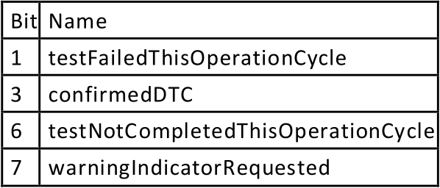
Supported DTC Status Bits

Supported Extended Data Records

Baidu Auth status Mgmt
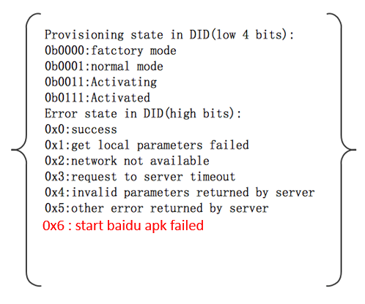
Value | Status(High 4 bits) | Supplier Mode(Low 4 bits) | Provisioning State Description
0x01 | Success | Normal Mode | DuerOS starts to connect with internet
0x11 | Get local parameters failed | Normal Mode | AHU internal defect
0x21 | Network not available | Normal Mode | Network not available
0x31 | Request to server timeout | Normal Mode | Baidu cloud related incidents occurred
0x41 | Invalid parameters returned by server | Normal Mode | Baidu cloud related incidents occurred
0x51 | Other error returned by server | Normal Mode | Baidu cloud related incidents occurred
0x61 | Start baidu apk failed | Normal Mode | AHU internal defect
0x03 | Success | Activating | DuerOS is provisioning
0x13 | Get local parameters failed | Activating | AHU internal defect
0x23 | Network not available | Activating | Network not available
0x33 | Request to server timeout | Activating | Baidu cloud related incidents occurred
0x43 | Invalid parameters returned by server | Activating | Baidu cloud related incidents occurred
0x53 | Other error returned by server | Activating | Baidu cloud related incidents occurred
0x63 | Start baidu apk failed | Activating | AHU internal defect
0x07 | Success | Activated | DuerOS provisioned successfully
0x17 | Get local parameters failed | Activated | AHU internal defect
0x27 | Network not available | Activated | Network not available
0x37 | Request to server timeout | Activated | Baidu cloud related incidents occurred
0x47 | Invalid parameters returned by server | Activated | Baidu cloud related incidents occurred
0x57 | Other error returned by server | Activated | Baidu cloud related incidents occurred
0x67 | Start baidu apk failed | Activated | AHU internal defect

